MISSION CARDS VMA
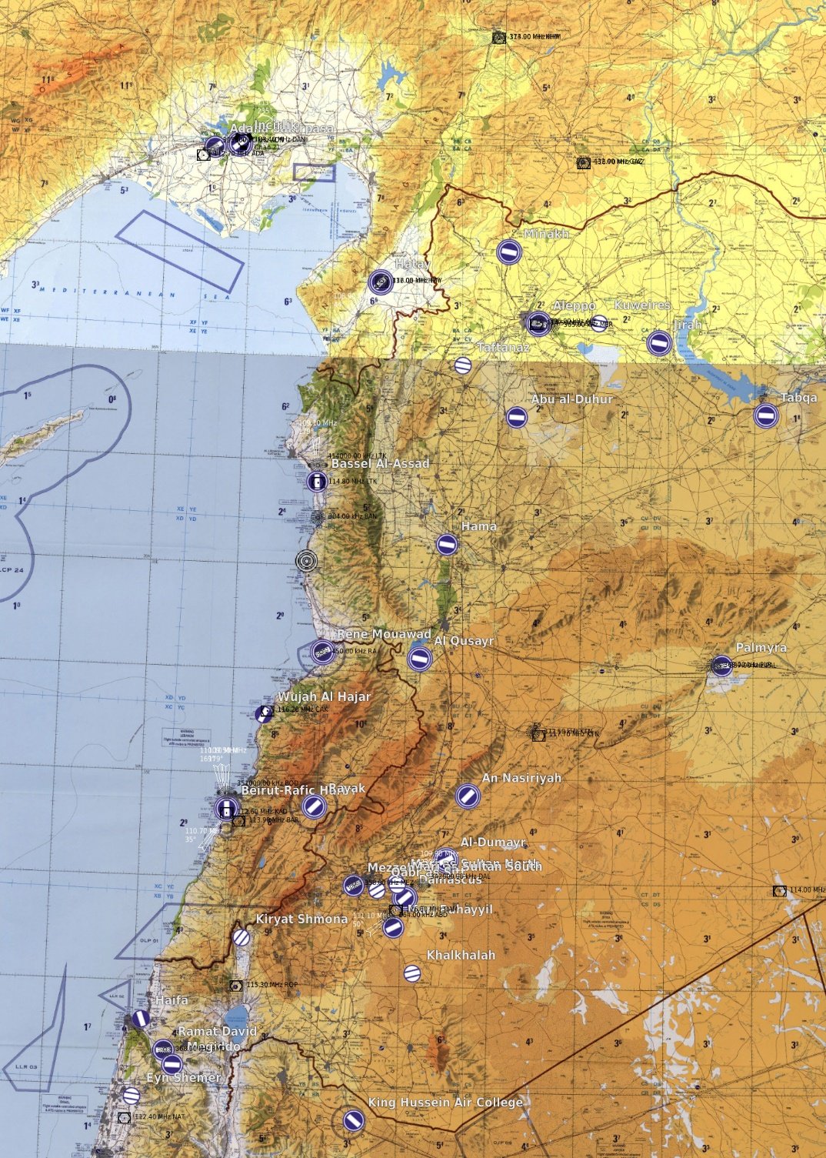
BLACKPOOL |  |  |  | MISSION DATA CARD |  |  |  |  |  | SYRIA |  |  |  | BLACKPOOL | MISSION DATA CARD | SYRIA
SUPPORT |  |  |  |  |  |  |  |  |  |  |  |  |  | NAVIGATION
Agency | Callsign |  | Freq |  | TCN |  | LOC |  | Notes
TANKER | TEXACO 2-1 |  | 317.725 |  | 57Y |  | NORTH |  | BOOM / FL240 / KC135
TANKER | SHELL 2-1 |  | 317.775 (L 7) |  | 47Y |  | NORTH |  | BASKET / FL200 / KC135MPRS
TANKER | ARCO 2-1 |  | 317.750 |  | 37Y |  | NORTH |  | BASKET / FL160 / KC130
TANKER | TEXACO 3-1 |  | 276.150 |  | 124Y |  | WEST |  | BOOM / FL240 / KC135
TANKER | SHELL 3-1 |  | 276.100 (L 8) |  | 120Y |  | WEST |  | BASKET / FL200 / KC135MPRS
TANKER | ARCO 3-1 |  | 276.125 |  | 116Y |  | WEST |  | BASKET / FL160 / KC130
TANKER | ARCO 1-1 |  | 251.500 |  | 106Y |  | CARRIER |  | BASKET / FL060 / S3-B
Range
& JTAC
AWACS | MAGIC 1-1 |  | 344.025 |  |  |  | NORTH |  | FL260 / GCI NORTH
N. Tankers
AWACS | DARKSTAR 1-1 |  | 282.025 |  |  |  | SOUTH |  | FL250 / GCI SOUTH
AIRFIELDS |  |  |  |  |  |  |  |  |  | TACAN/VORTAC
NAME |  | DD°MM.MMM' N |  |  |  | DDD°MM.MMM' E |  |  |  | Name | ID | CH | FRQ
INCIRLIK AB (LTAG) |  | N36°59.93' |  |  |  | E035°25.98' |  |  |  | INCIRLIK AB | DAN | 21X | 108.4
 | UHF/VHF |  | T/V | FRQ/CH |  | RWY |  | ILS |  | RAMAT DAVID | RMD | 45X
GND | 313.600 / 123.025 |  | DAN | 21X |  | 05 |  | 109.30 |  | ROOSEVELT | RSV | 71X
TWR | 250.200 / 129.400 |  | NOTES |  |  | 23 |  | 111.70
APP/DEP | 296.750 / 128.000 |  | 23/05 10000ft |  |  |  |  |  |  | VOR - DME
ATIS | 129.650 |  |  |  |  |  |  |  |  | Name | ID | FRQ
NAME |  | DD°MM.MMM' N |  |  |  | DDD°MM.MMM' E |  |  |  | ADANA | ADA | 112.70
ADANA INT (LTAF) |  | N36°58.93' |  |  |  | E035°16.82' |  |  |  | KAHRAMANMARAS | KHM | 113.90
 | UHF/VHF |  | T/V | FRQ/CH |  | RWY |  | ILS |  | GAZIANTEP | GAZ | 116.70
GND | 129.100 |  | ADA | 112.70 |  | 05 |  | 108.70 |  | HATAY | HTY | 112.05
TWR | 250.950 / 121.100 |  | NOTES |  |  | 23 |  | - |  | ALEPPO | ALE | 114.50
Tarawa
APP/DEP | 126.500 |  | 23/05 9022ft |  |  |  |  |  |  | LATAKIA | LTK | 114.80
ATIS | - |  |  |  |  |  |  |  |  | DIER ZZOR | DRZ | 117.00
NAME |  | DD°MM.MMM' N |  |  |  | DDD°MM.MMM' E |  |  |  | CHEKKA | CAK | 116.20
Likely
SA6
HATAY (LTDA) |  | N36°22.33' |  |  |  | E36°17.92' |  |  |  | KARIATAIN | KTN | 117.70
 | UHF/VHF |  | T/V | FRQ/CH |  | RWY |  | ILS |  | KHALDEH | KAD | 112.60
GND | - |  | HTY | 112.05 |  | 04 |  | 108.90 |  | BEIRUT | BAR | 113.90
W. Tankers
TWR | 250.150 / 128.500 |  | NOTES |  |  | 22 |  | 108.15 |  | DAMASCUS | DAM | 116.00
APP/DEP | 128.520 |  | 04/23 9843ft |  |  |  |  |  |  | ROSH-PINA | ROP | 115.30
Roosevelt
ATIS | - |  |  |  |  |  |  |  |  | NATANIA | NAT | 112.40
NAME |  | DD°MM.MMM' N |  |  |  | DDD°MM.MMM' E
BEIRUT INT (OLBA) |  | N33°49.14' |  |  |  | E35°29.40'
 | UHF/VHF |  | T/V | FRQ/CH |  | RWY |  | ILS |  | NDB
GND | 121.900 |  | KAD | 112.60 |  | 03 |  | 110.70 |  | Name | ID | FRQ
Likely
SA6
TWR | 251.450 / 118.900 |  | NOTES |  |  | 16 |  | 109.50 |  | ADANA | ADA | 395.0
APP/DEP | 120.300 |  | 03/21 12467ft 17/35 10633 |  |  | 17 |  | 110.10 |  | KAHRAMANMARAS | KHM | 374.0
ATIS | - |  |  |  |  |  |  |  |  | HATAY | HTY | 336.0
NAME |  | DD°MM.MMM' N |  |  |  | DDD°MM.MMM' E |  |  |  | LATAKIA | LTK | 414.0
RAMAT DAVID AB (LLRD) |  | N32°39.96' |  |  |  | E035°10.64' |  |  |  | BANIAS LT | BAN | 304.0
 | UHF/VHF |  | T/V | FRQ/CH |  | RWY |  | ILS |  | DIER ZZOR | DRZ | 295.0
GND | - |  | RMD | 45X |  |  |  |  |  | RENE MOUAWAD | RA | 450.0
TWR | 251.000 / 118.600 |  | NOTES |  |  |  |  |  |  | PALMYRA | PLR | 363.0
APP/DEP | - |  | 09/27 8501ft 11/29 7973ft |  |  |  |  |  |  | PALMYRA | PAR | 337.0
ATIS | - |  |  |  |  |  |  |  |  | KARIATAIN | KTN | 372.5
NAME |  | DD°MM.MMM' N |  |  |  | DDD°MM.MMM' E |  |  |  | BEIRUT LT | BOD | 351.0
 |  |  |  |  |  |  |  |  |  | TANF | TAN | 114.0
 | UHF/VHF |  | T/V | FRQ/CH |  | RWY |  | ILS |  | MEZZE | MEZ | 358.0
GND |  |  |  |  |  |  |  |  |  | DAMASCUS | DAL | 342.0
TWR |  |  | NOTES |  |  |  |  |  |  | ABAYAD | ABD | 264.0
APP/DEP |  |  |  |  |  |  |  |  |  | RAMAT DAVID | RMD | 368.0
ATIS

 |  |  |  |  |  | n

OBJECTS
HOLD RIGHT TURNS | WAYPOINT | SECTION 1 | Z - DIVE

HOLD LEFT TURNS | IP | SECTION 2 | Z - POP

ROUTE LINE | TARGET | SECTION 3

 | TEXT BOX | SECTION 4

TEXT

